Proced_B
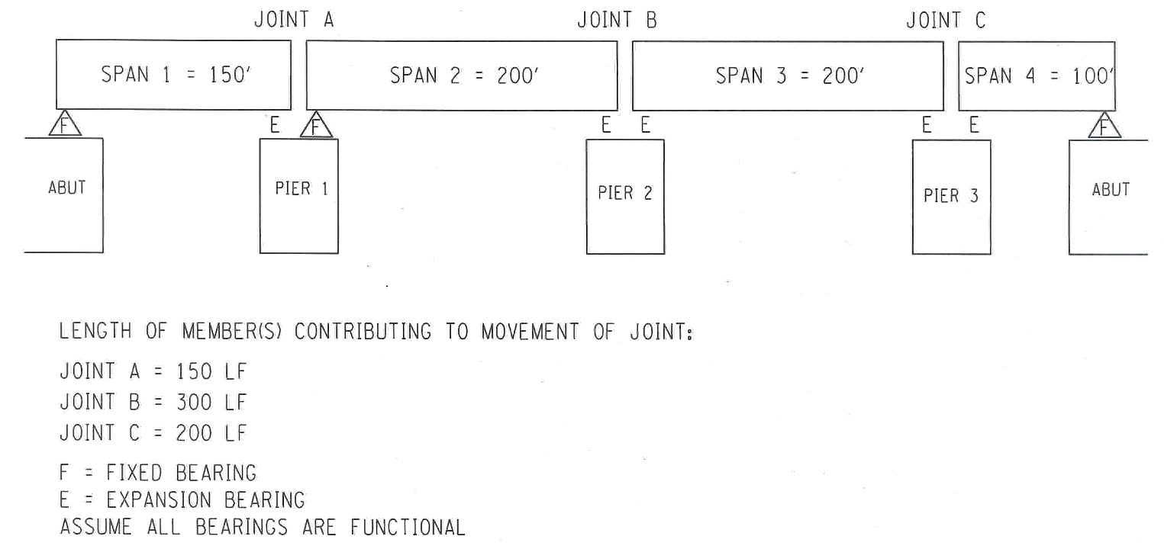
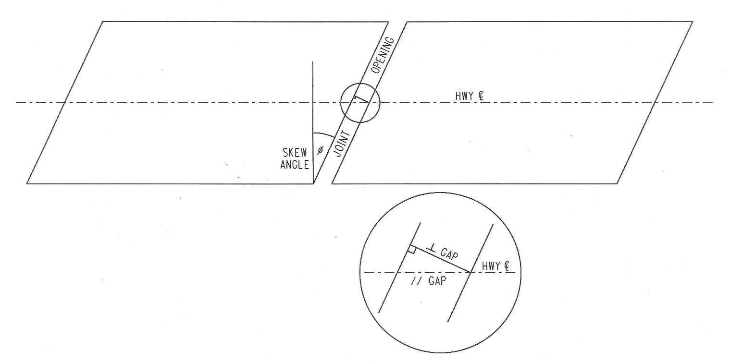
NYSDOT Expansion Joint Calculator

 | Make selections for the following categories:
 | NYSDOT Region | R7
 | Primary Member Type | Steel

 | Input values for the following categories:
 | Exist Temperature of Primary Member | 55 | oF
* | Length of Member(s) contributing to total movement @ joint | 124 | Feet
* | Exist Joint Opening (perpendicular to header) ^ | 2 | inches
* | Skew Angle (0o≤ q <90o) | 18 | Degree Skew
 | Max. Compression limit % of joint material (from Manufacturer) | 60 | %

 | Results: (Perpendicular to header)
 | Joint Opening at 68oF (^) | 1.88 | inches
 | Joint Opening at Coldest oF (^) | 2.69 | inches
 | Joint Opening at Warmest oF (^) | 1.54 | inches
 | Total movement of Joint within full Temp range (^) | 1.15 | inches
 | Width of New Closed Cell Foam (use Coldest Temp width (^)) | 2.69 | inches
 | Depth of New Closed Cell Foam (if Manuf. info. not available) | 2.50 | inches
 | Acceptablility based on Manufacturer's Compression limit | OK
 | Compression @ Warmest Temp | 42.75 | %
 | Compression @ Exist Temp | 25.65 | %

 | Results: (Parallel to primary member)
 | Joint Opening at 68oF (//) | 1.98 | inches
 | Joint Opening at Coldest oF (//) | 2.83 | inches
 | Joint Opening at Warmest oF (//) | 1.62 | inches
 | Total movement of Joint within full Temp range (//) | 1.21 | inches

 | Procedure B Temperature Ranges - AASHTO
 | Coldest Temp for Primary Member used in your Region | -20 | oF
 | Warmest Temp for Primary Member used in your Region | +105 | oF

* | See Diagram for clarification

 | Expansion & Contraction relate to Primary Member
 | Tension & Compression relate to Joint Material

